Annexure
Zerodha Mutual Fund

Disclosure of product label, risk-o-meter and potential risk class of schemes and risk-o-meter of benchmarks

Risk-o-meter of Scheme | Risk-o-meter of Benchmark | Product Labelling
Zerodha Overnight Fund | Nifty 1D Rate Index

 |  | This product is suitable for investors who are seeking*:
 |  | 1. Short Term Savings
 |  | 2. To generate returns by investing in debt and money market instruments with overnight maturity
 |  | Investors should understand that their principal will be at Low Risk
 |  | *Investors should consult their financial advisers if in doubt about whether the product is suitable for them.

Zerodha Multi Asset Passive FoF | (60% Nifty 200 TRI + 15% CRISIL 10 year Gilt Index + 25% Domestic prices of Physical Gold)
 |  | This product is suitable for investors who are seeking*:
 |  | 1. Long term capital growth
 |  | 2. Diversified exposure by investing across multiple asset classes viz., Equity, Debt Index Funds/ ETFs and Commodity ETFs.
 |  | Investors should understand that their principal will be at Very High Risk
 |  | *Investors should consult their financial advisers if in doubt about whether the product is suitable for them.

Zerodha Nifty Smallcap 100 ETF | Nifty Smallcap 100 TRI
 |  | This product is suitable for investors who are seeking*:
 |  | 1. Long term capital growth
 |  | 2. Investment in equity and equity related securities covered by Nifty Smallcap 100.
 |  | Investors should understand that their principal will be at Very High Risk
 |  | *Investors should consult their financial advisers if in doubt about whether the product is suitable for them.

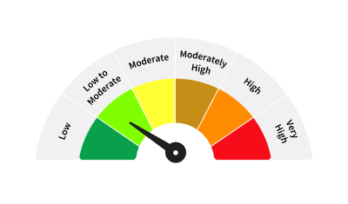
Zerodha Nifty Short Duration G-Sec Index Fund | Nifty Short Duration G-Sec Index TRI
 |  | This product is suitable for investors who are seeking*:
 |  | 1. Short Duration Income
 |  | 2. Investment in securities in line with Nifty Short Duration G-Sec Index to generate comparable returns
 |  | subject to tracking error
 |  | *Investors should consult their financial advisers if in doubt about whether the product is suitable for them.

Potential Risk Class of Zerodha Overnight Fund

Potential Risk Class of Zerodha Nifty Short Duration G-Sec Index Fund

